Practitioner Rates
Antibiotic prescribing of each antibiotic by prescribing rate per 1000 patient contacts
Click 'Organisation', then select 'Multiple Items', click 'All', then select the relevant organisation(s)
Click 'Practitioner', then click 'Select All', then select the relevant practitioner(s)

Organisation | 0

Sum of Prescribing Rate | Column Labels
Row Labels | 0 | Grand Total
#VALUE! | #DIV/0! | #DIV/0!
Grand Total | #DIV/0! | #DIV/0!

Prescriber Volumes
Organisation | (All)

Sum of Patient Count | Column Labels
Row Labels | 0 | Grand Total
#VALUE!
Grand Total

 | 0
#VALUE!

Source of Abs
Source of Antibiotics

Row Labels | Sum of Patient Count
0 | #DIV/0!
Grand Total | #DIV/0!

Age Characteristics
Distribution of Prescribing By Age

Click 'Organisation', then select 'Multiple Items', click 'All', then select the relevant organisation(s)
Click 'Practitioner', then click 'Select All', then select the relevant practitioner(s)
Click 'Antibiotic', to select different antibiotics

 | Grand Total
Grand Total

Organisation | (All)

Sum of Patient Count | Column Labels
Row Labels | Grand Total
Grand Total

COPD
Organisation | (All)

Sum of Patient Count | Column Labels
Row Labels | Grand Total
Grand Total

 | Grand Total
Grand Total

Instructions
Instructions

Run the following two reports and extract to CSV

DCS Quality > Infection > ! Antibiotic Audit - last 6 months joined to respiratory disease #

Right click on the report and choose breakdown
Click the following boxes then click refresh

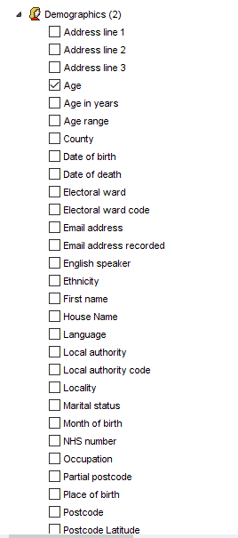
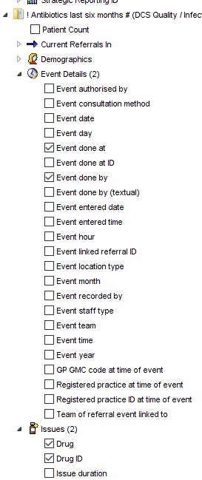
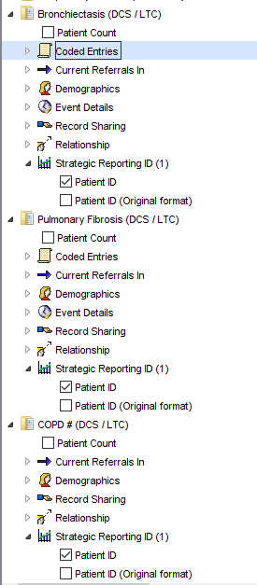

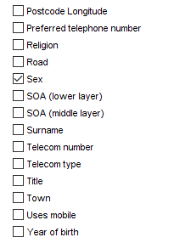
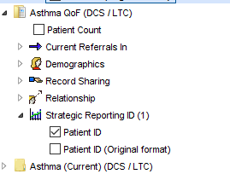

Click the CSV button to export to excel.
Click on cell A2 of the spreadsheet that is opened
Press Ctrl-shift-end
Press Ctrl-C
Go to the antibiotic data tab of this spreadsheet
Click on cell A2
Press Ctrl-V

Repeat this process for the report ! Antibiotic Audit - Patient Contacts
Using this breakdown
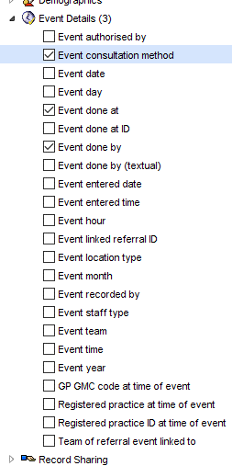

and copying into the 'Contacts Data' tab

